Sheet3
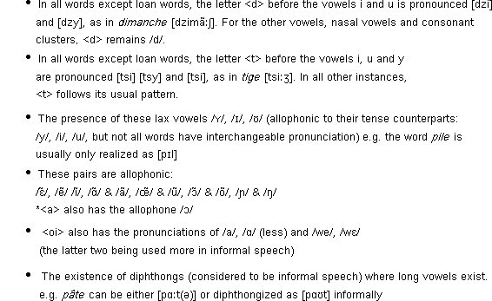
French pronunciation

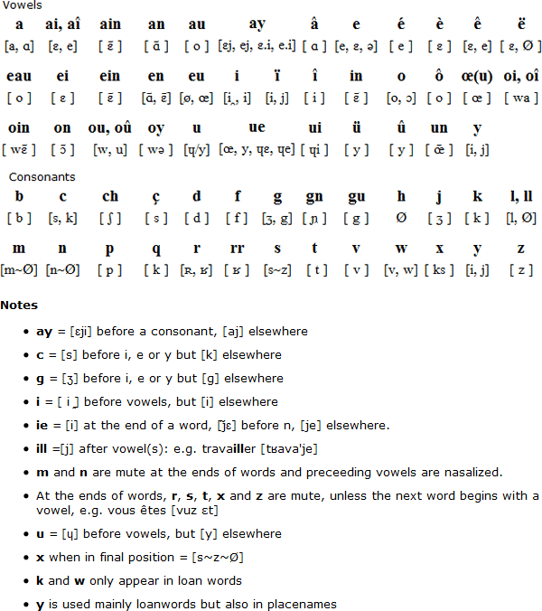

Canadian French

Here are some of the differences in the pronunciation of Canadian French.

